Application Screen
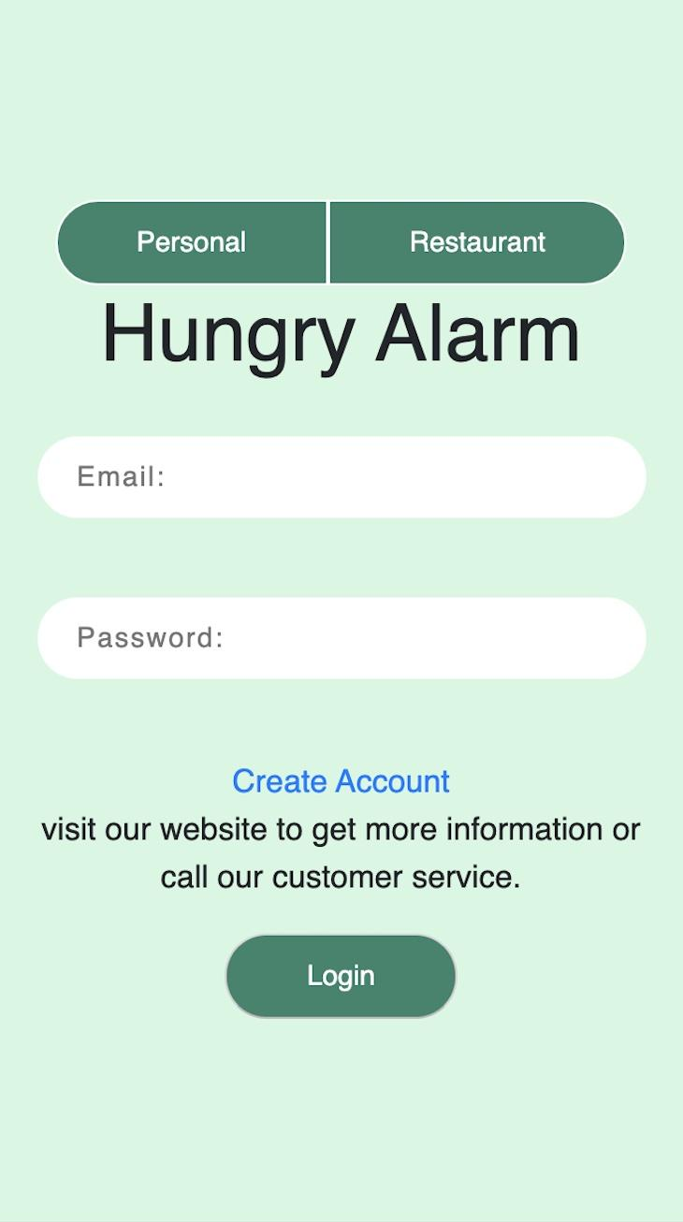
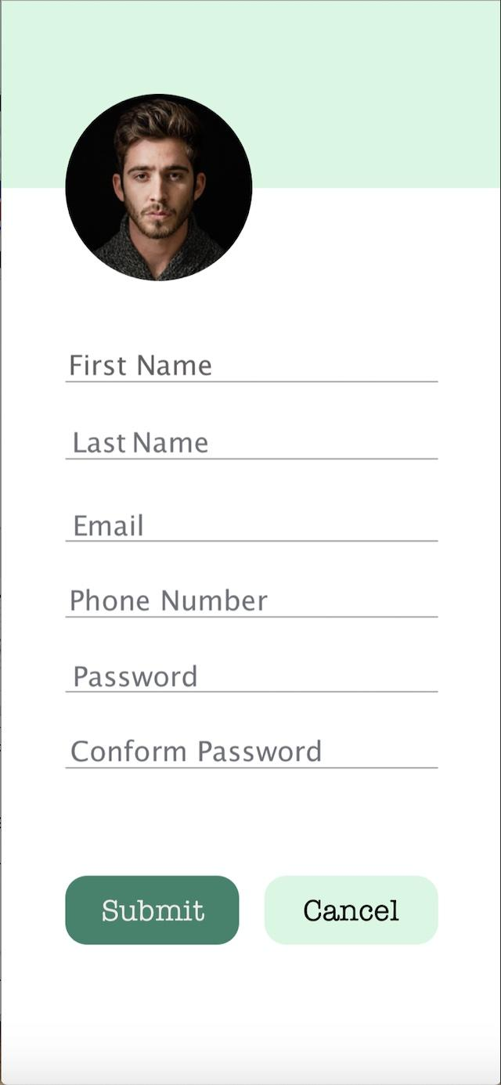
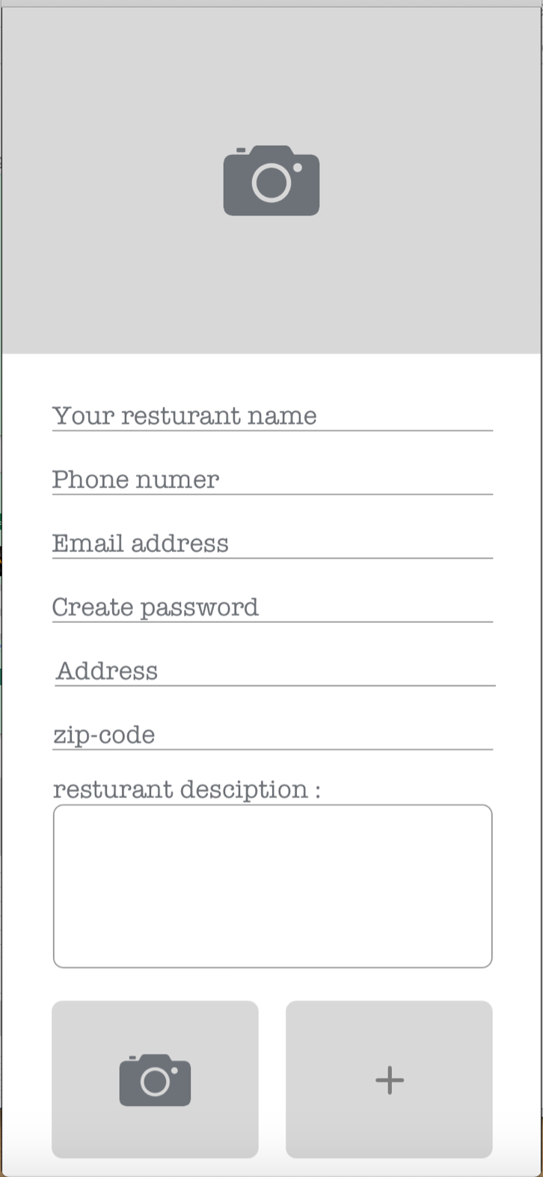
Screens for Account Creation and Modification

Test Case 3
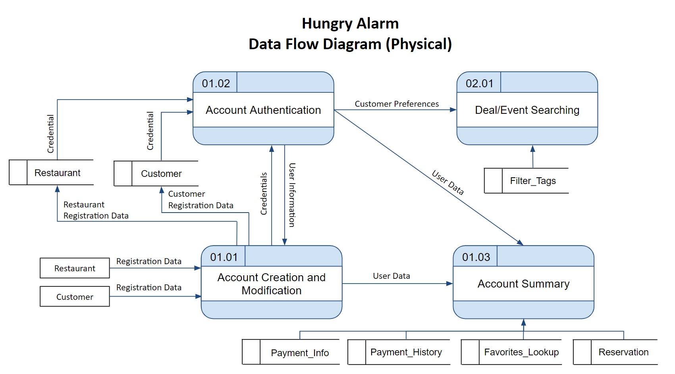
TC Title: | TC3. Account Creation and Modification - data flow testing

TC Objective: | User data is succesfully used by other features.

 | //how to refine it?
TC Description
 | Step | Step Description | Expected Results
 | 1 | In Home screen, press Create Account, create a customer account and enter necessary information | Customer Account created, registration data recieved
 | 2 | In home screen, login to customer account just created | Credentials recieved, login successfull.
 | 3 | View the Account Summary of customer account just created | Information previously entered is rendered by system correctly.
 | 4 | In Home screen, press Create Account, create a restaurant account and enter necessary information | Customer Account created, registration data recieved
 | 5 | In home screen, login to restaurant account just created | Credentials recieved, login successfull.
 | 6 | View the Account Summary of restaurant account just created | Information previously entered is rendered by system correctly.
 | 7
 | 8
 | 9
 | 10

